DEWATA COCONUT (Coconut)
DATE | INV NO. | DESCRIPTIONS | QTY | BILLS | PRICE | TOTAL | Rp1,870,000
2026-03-02 | 13742 | COCONUT LOGO | 20 | 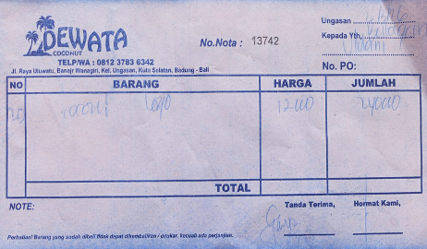 | IDR 12,000 | IDR 240,000
2026-03-06 | 13320 | COCONUT LOGO | 20 | 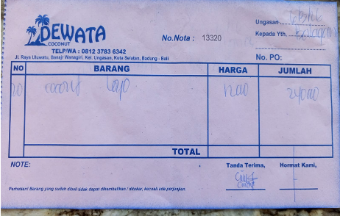 | IDR 12,000 | IDR 240,000
2026-03-09 | 13298 | COCONUT LOGO | 10 | 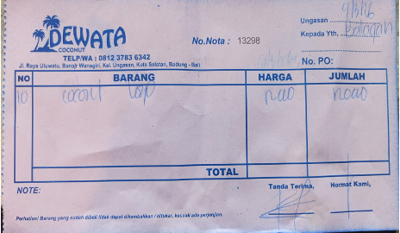 | IDR 12,000 | IDR 120,000
2026-03-11 | 13505 | COCONUT LOGO | 10 | 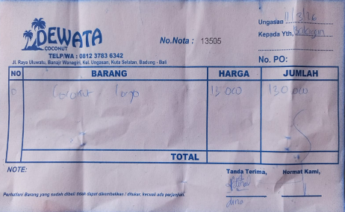 | IDR 13,000 | IDR 130,000
2026-03-13 | 13575 | COCONUT LOGO | 10 | 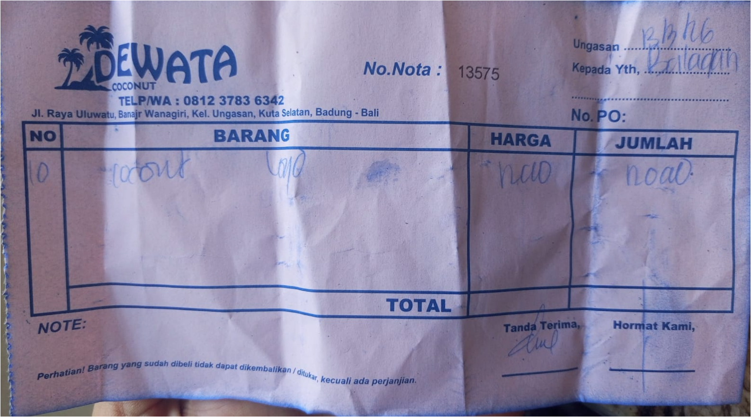 | IDR 12,000 | IDR 120,000
2026-03-15 | 13711 | COCONUT LOGO | 10 | 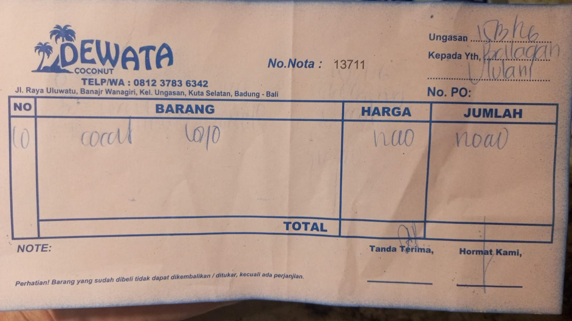 | IDR 12,000 | IDR 120,000
2026-03-17 | 13619 | COCONUT LOGO | 50 | 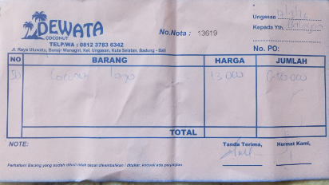 | IDR 13,000 | IDR 650,000
2026-03-25 | 13784 | COCONUT LOGO | 10 | 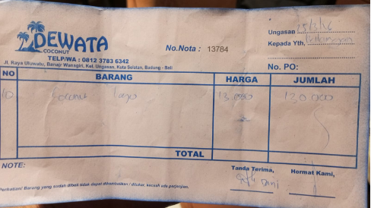 | IDR 13,000 | IDR 130,000
2026-03-29 | 13149 | COCONUT LOGO | 10 | 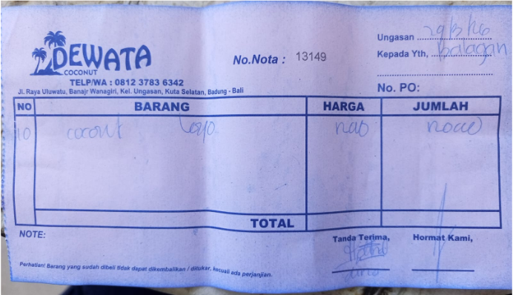 | IDR 12,000 | IDR 120,000

 |  |  |  | Rp1,870,000

PNB (Alcohol)
DATE | INV NO. | DESCRIPTIONS | QTY | BILLS | UNIT PRICE | SUB TOTAL | TOTAL | Rp1,120,000
16-Mar-2026 | SPNB26031443 | LIMO APERITIVO 500 ML | 4 | 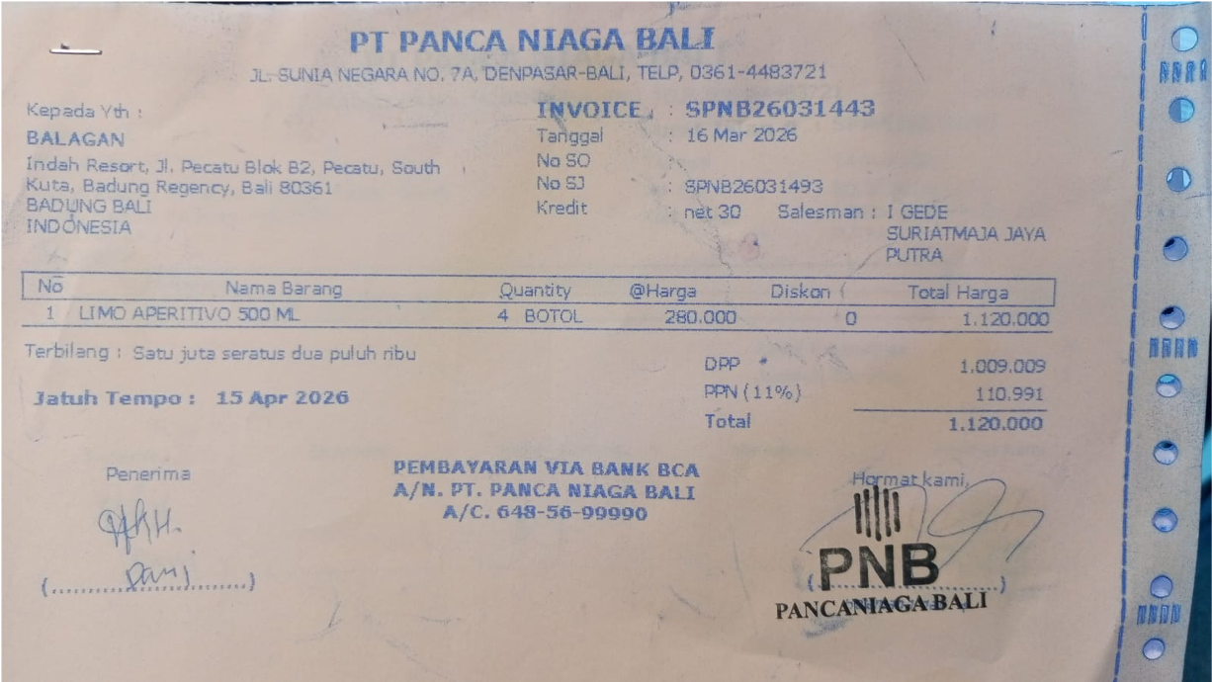 | IDR 280,000 | IDR 1,120,000 | IDR 1,120,000

 |  |  |  |  |  |  | Rp1,120,000

DSP (Alcohol)
DATE | INV NO. | DESCRIPTIONS | QTY | PRICE | DISCOUNT | UNIT PRICE | SUBTOTAL | TOTAL | BILL | Rp2,647,500
3-Mar-2026 | SOMDG/DSP/26/03/0014 | MDG - F VODKA | 2 | IDR 246,000 | Rp- | Rp246,000 | Rp492,000 | Rp492,000 | 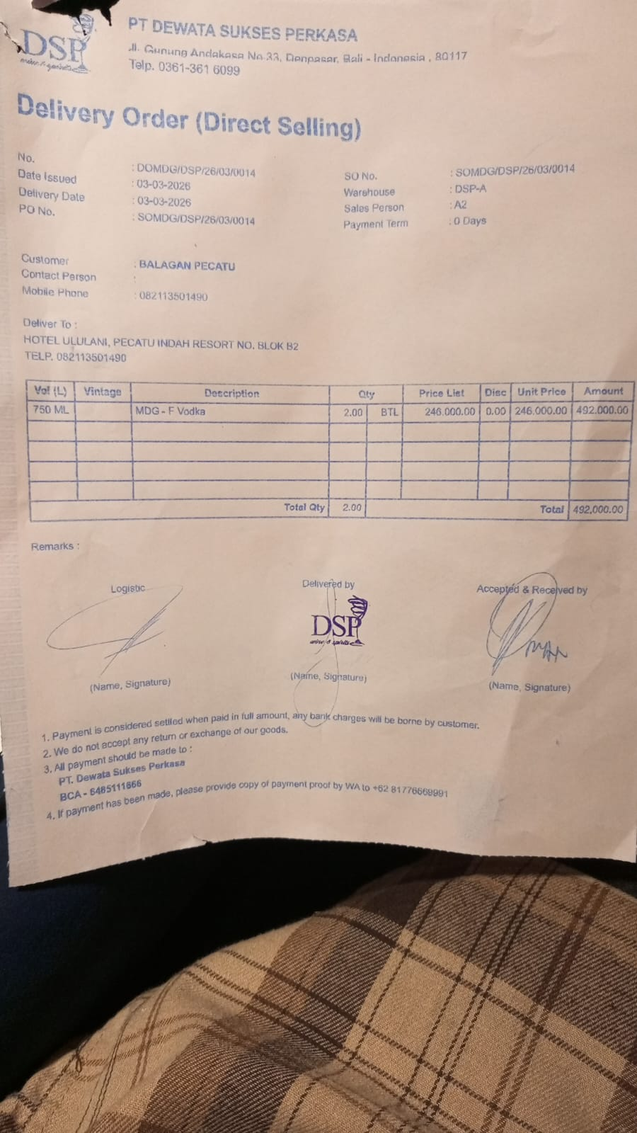
23-Mar-2026 | SODSP/DSP/26/03/1316 | DA VINCI LEONARDO PROSECCO DOC | 2 | IDR 370,000 | Rp37,000 | Rp333,000 | Rp666,000 | Rp666,000 | 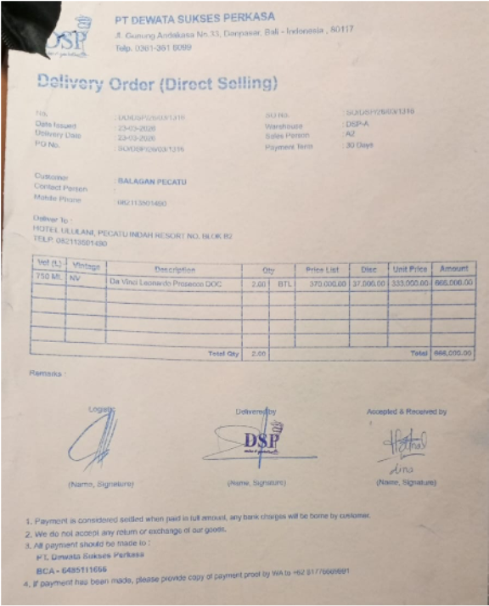
26-Mar-2026 | SO/DSP/26/03/1559 | MCGUIGAN - BLACK LABEL SAUVIGNON BLANC | 3 | IDR 295,000 | Rp29,500 | Rp265,500 | Rp796,500 | Rp1,489,500 | 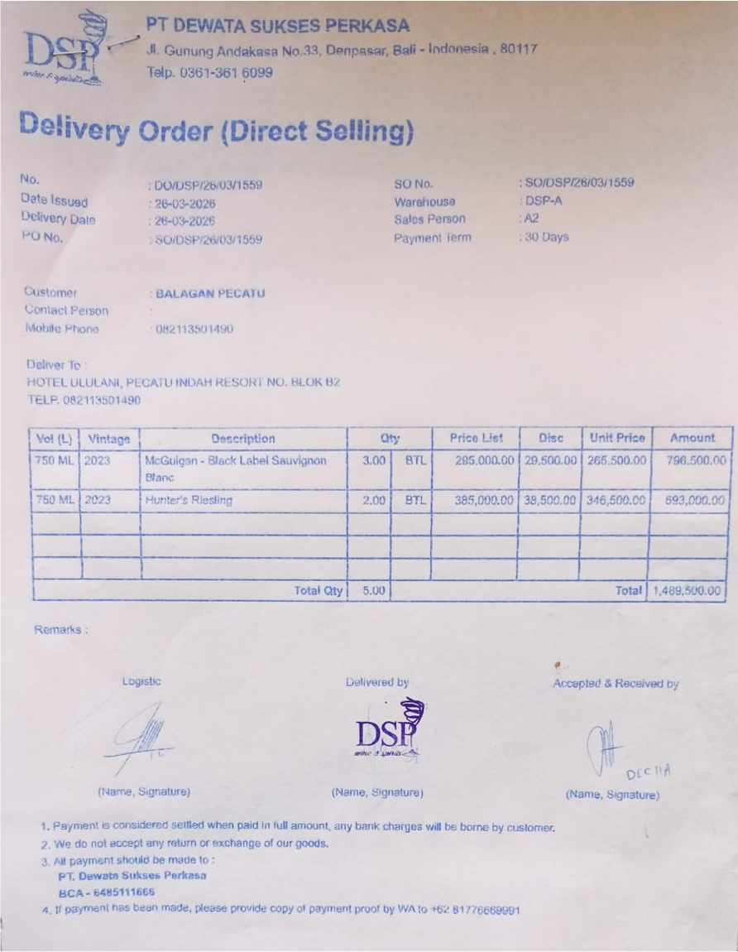
 |  | HUNTER'S RIESLING | 2 | IDR 385,000 | Rp38,500 | Rp346,500 | Rp693,000
 |  |  |  |  | Rp- |  | Rp-
 |  |  |  |  | Rp- |  | Rp-
 |  |  |  |  | Rp- |  | Rp-
 |  |  |  |  | Rp- |  | Rp-
 |  |  |  |  | Rp- |  | Rp-
 |  |  |  |  | Rp- |  | Rp-
 |  |  |  |  | Rp- |  | Rp-
 |  |  |  |  | Rp- |  | Rp-
 |  |  |  |  | Rp- |  | Rp-
 |  |  |  |  | Rp- |  | Rp-
TOTAL |  |  |  |  | Rp2,647,500

SELERA OR STIR UP (Syrup)
DATE | INV NO. | DESCRIPTIONS | QTY | BILLS | PRICE | SUBTOTAL | TOTAL | Rp2,886,000
2-Mar-2026 | SO.03-260091 | KOOL KIWI PET 800 ML | 7 | 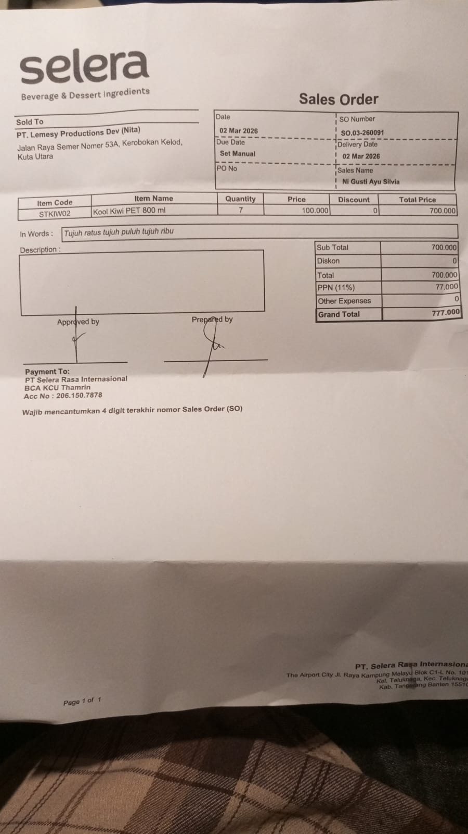 | IDR 100,000 | IDR 700,000 | IDR 700,000
SUB TOTAL |  |  | 7 |  | PPN (11%) |  | IDR 77,000
TOTAL |  |  |  | Rp777,000.00
12-Mar-2026 | SO.03-260108 | MARVELOUSE MANGO PET 800 ML | 4 | 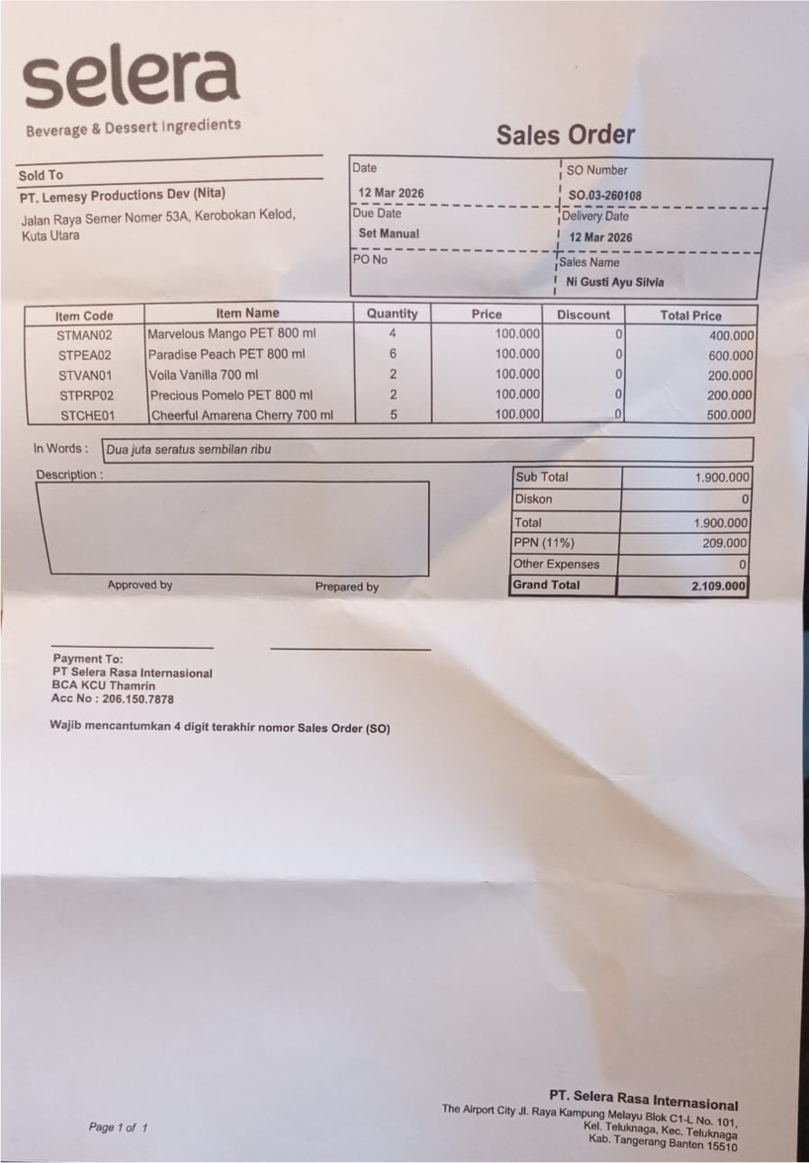 | IDR 100,000 | IDR 400,000 | IDR 1,900,000
 |  | PARADIESE PEACH PET 800 ML | 6 |  | IDR 100,000 | IDR 600,000
 |  | VOILA VANILLA 700 ML | 2 |  | IDR 100,000 | IDR 200,000
 |  | PRECIOUS POMELO PET 800 ML | 2 |  | IDR 100,000 | IDR 200,000
 |  | CHEERFUL AMARENA CHERRY 700 ML | 5 |  | IDR 100,000 | IDR 500,000
SUB TOTAL |  |  | 19 |  | PPN (11%) |  | IDR 209,000
TOTAL |  |  |  | Rp2,109,000.00
 |  |  |  | GRAND TOTAL | Rp2,886,000

DW BALI (Alcohol)
DATE | INV NO. | DESCRIPTIONS | AMOUNT | BILLS | PRICE | SUBTOTAL | TOTAL | DUE DATE | Rp5,060,000
3-Mar-2026 | DW/73/257 | GREY GOOSE VODKA 750 ML | 2 | 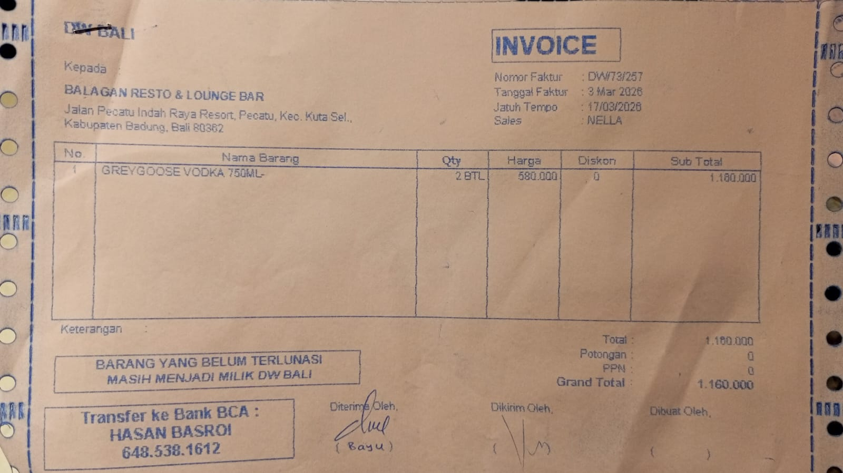 | Rp580,000 | Rp1,160,000 | Rp1,160,000 | 17-Mar-2026
16-Mar-2026 | DW/74/020 | APEROL 700 ML | 3 | 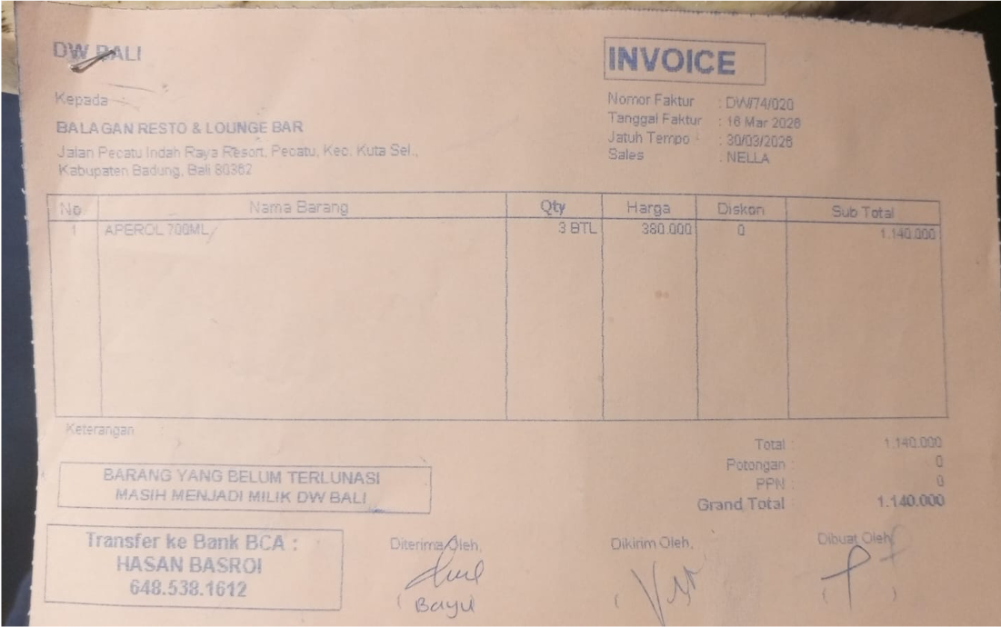 | Rp380,000 | Rp1,140,000 | Rp1,140,000 | 30-Mar-2026
17-Mar-2026 | DW/74/195 | HAVANA CLUB 3 YO 700 ML | 2 | 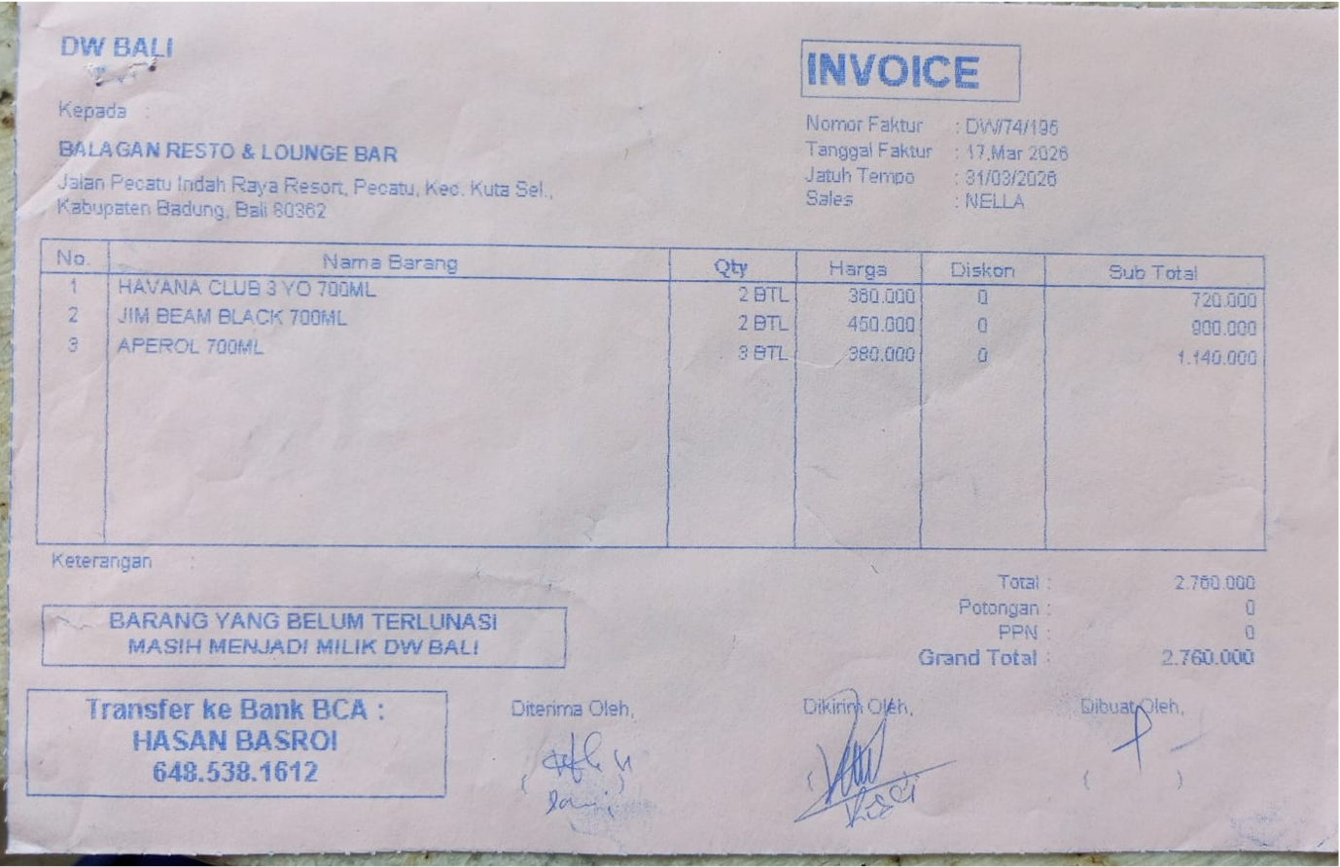 | Rp360,000 | Rp720,000 | Rp2,760,000 | 31-Mar-2026
 |  | JIM BEAM BLACK 700 ML | 2 |  | Rp450,000 | Rp900,000
 |  | APEROL 700 ML | 3 |  | Rp380,000 | Rp1,140,000
 |  |  |  |  |  |  | Rp-
GRAND TOTAL |  |  |  | Rp5,060,000

DDB (Alcohol)
DATE | INV NO. | DESCRIPTIONS | AMOUNT | BILLS | PRICE | TOTAL | IDR 2,359,505
3-Mar-2026 | 44337 | CAPE DISCOVERY BRUT CUVEE 750 ML | 2 | 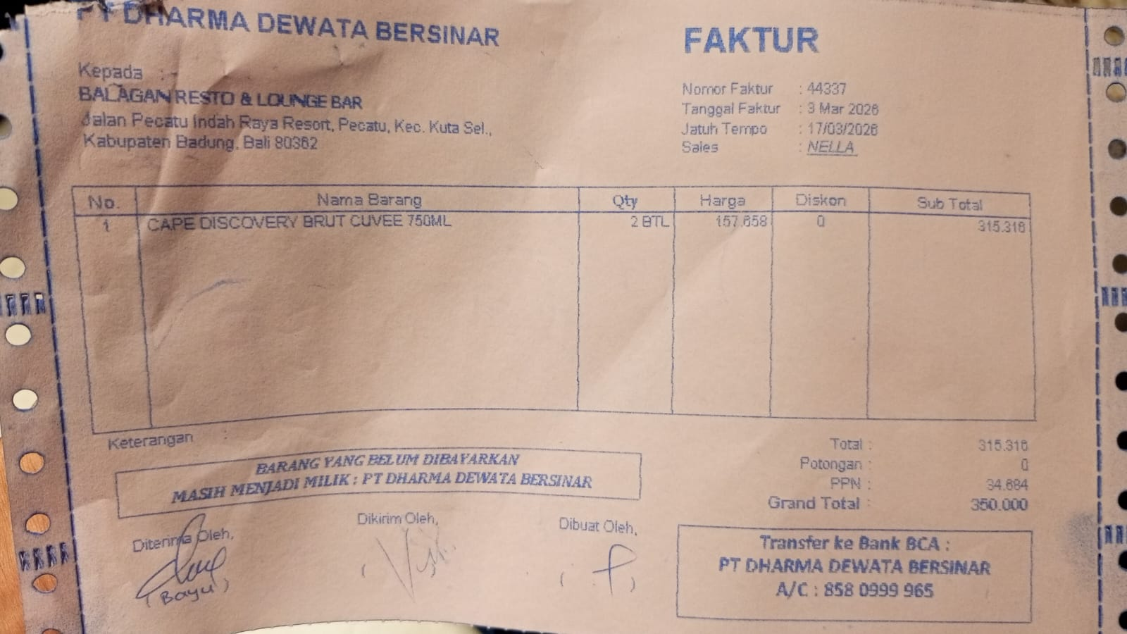 | IDR 157,658 | IDR 315,316
SUB TOTAL |  |  |  |  | PPN | IDR 34,685
TOTAL |  |  |  | Rp350,001
10-Mar-2026 | 44811 | ANGOSTURA AROMATIC BITTER 200 ML | 1 | 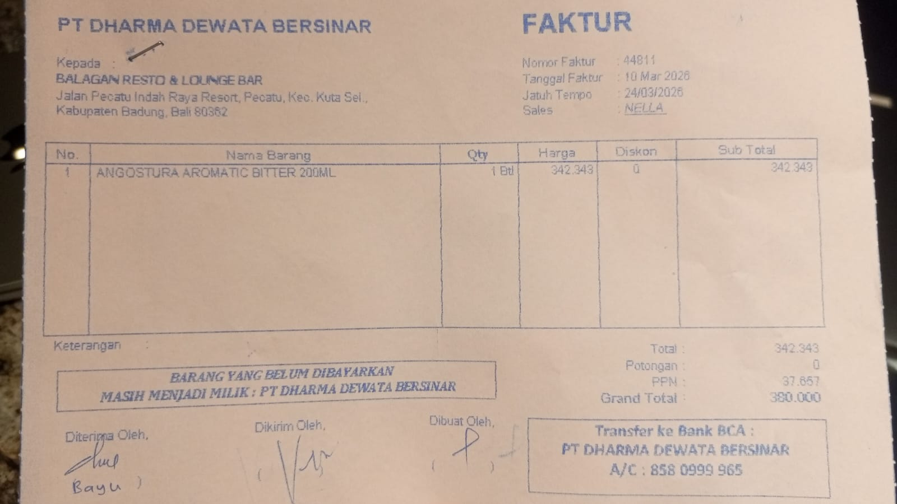 | IDR 342,343 | IDR 342,343
SUB TOTAL |  |  |  |  | PPN | Rp37,658
TOTAL |  |  |  | Rp380,001
12-Mar-2026 | 44955 | GORDON GIN PREMIUM DRY 750 ML | 3 | 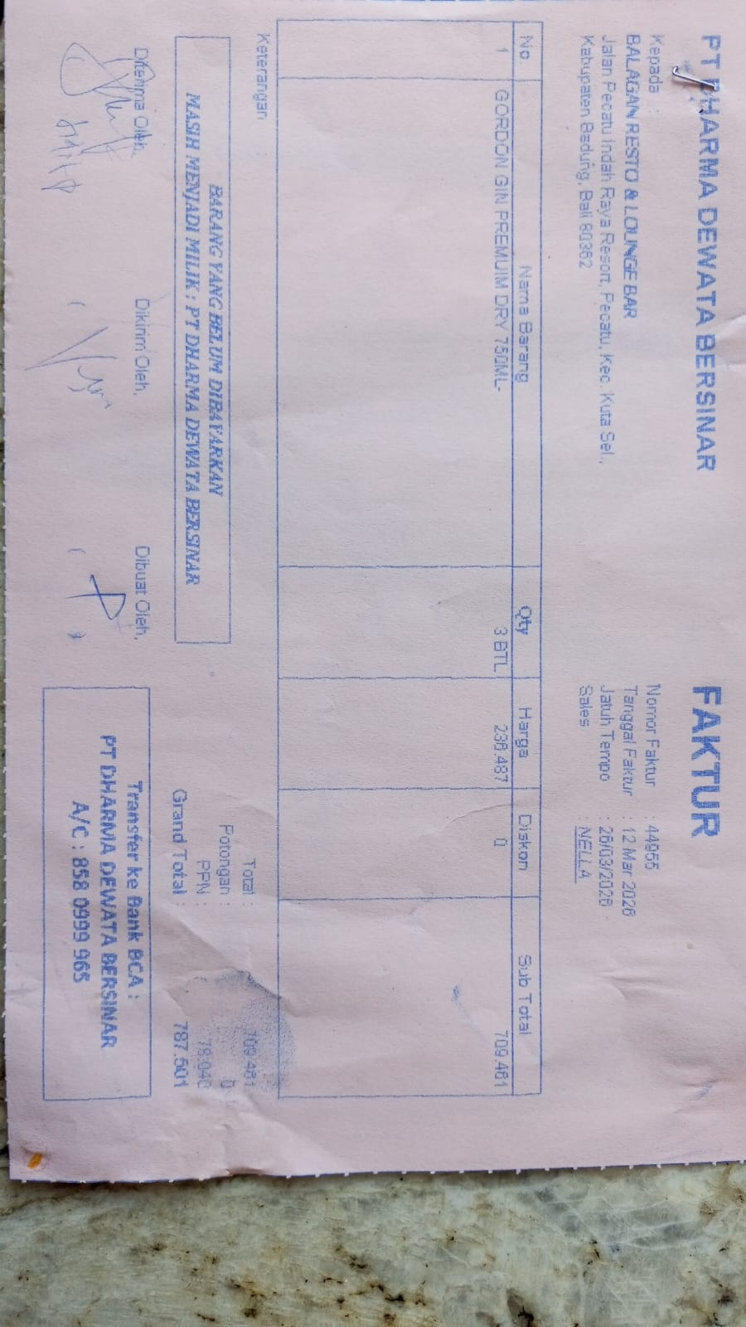 | IDR 236,487 | IDR 709,461
 |  |  |  |  |  | Rp78,041
TOTAL |  |  |  | Rp787,502
16-Mar-2026 | 45268 | CAPE DISCOVERY BRUT CUVEE 750 ML | 2 | 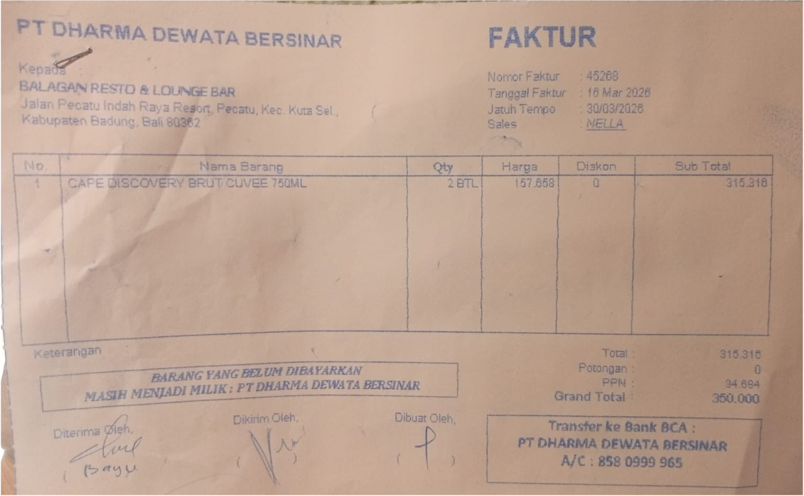 | IDR 157,658 | IDR 315,316
 |  |  |  |  |  | Rp34,685
TOTAL |  |  |  | Rp350,001
17-Mar-2026 | 45431 | F VODKA 750 ML | 2 | 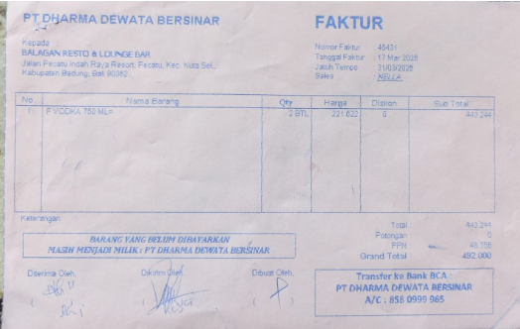 | IDR 221,622 | IDR 443,244
 |  |  |  |  |  | Rp48,757
TOTAL |  |  |  | Rp492,001

TOTAL
GRAND TOTAL |  |  |  | IDR 2,359,505

NANO DEWATA NON CK(Alcohol)
DATE | INV NO. | DESCRIPTIONS | AMOUNT | BILLS | PRICE | TOTAL | IDR 855,000
3-Mar-2026 | INX/NABLIX/26/03/0006 | GIFFARD PARFAIT TRIPLE SEC | 3 | 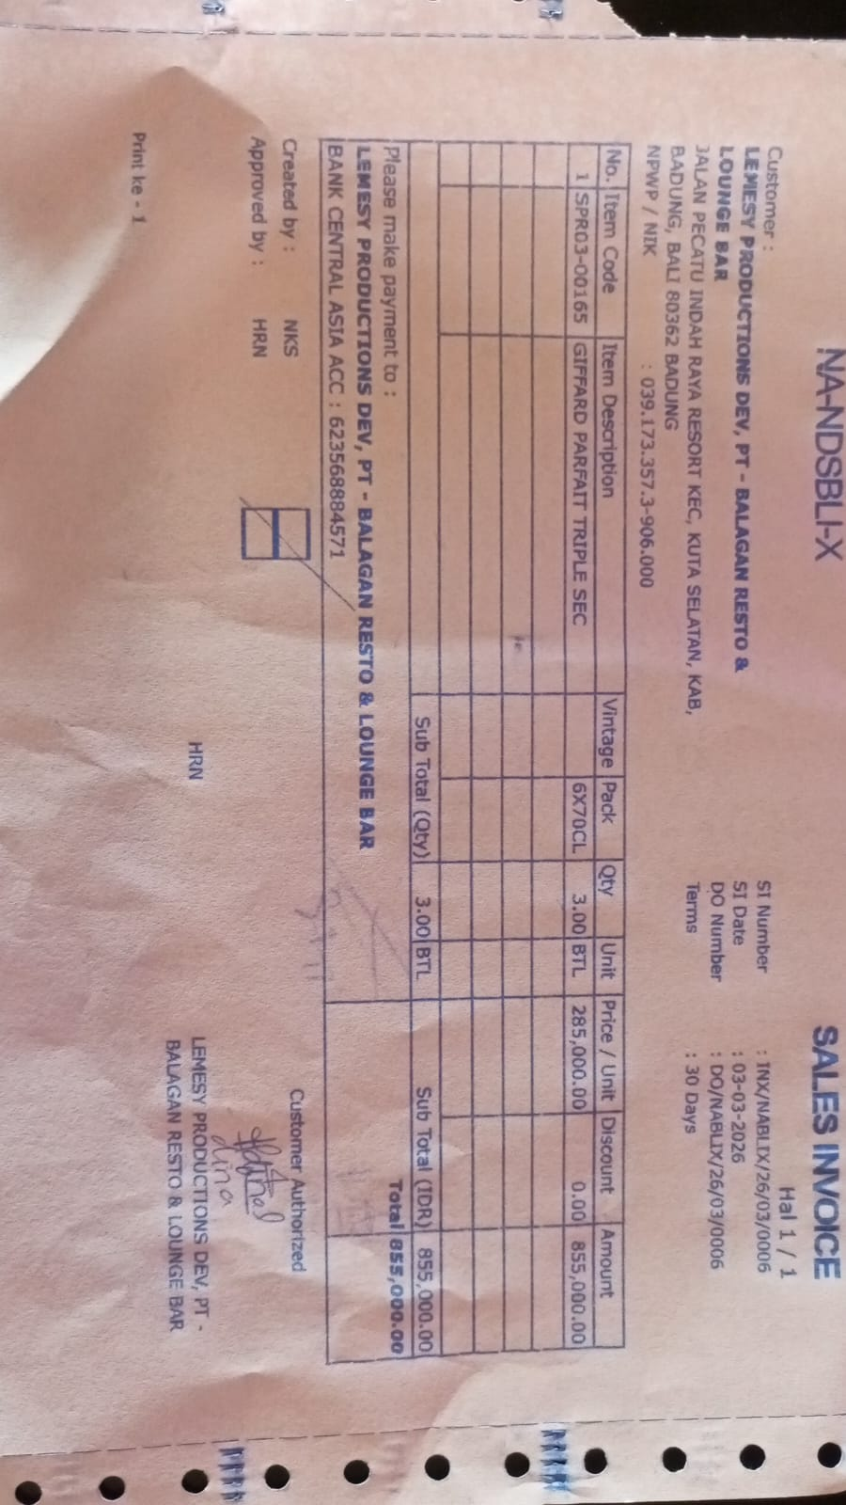 | IDR 285,000 | IDR 855,000
SUB TOTAL
TOTAL |  |  |  | IDR 855,000
 |  |  |  |  |  | IDR -
SUB TOTAL
TOTAL |  |  |  | Rp-

GRAND TOTAL |  |  |  | IDR 855,000

NANO DEWATA CK (Alcohol)
DATE | INV NO. | DESCRIPTIONS | AMOUNT | BILLS | PRICE | DISCOUNT | TOTAL | IDR 1,800,000
3-Mar-2026 | INV/NANDAQ/26/03/0068 | SAN TELMO MALBEC | 3 | 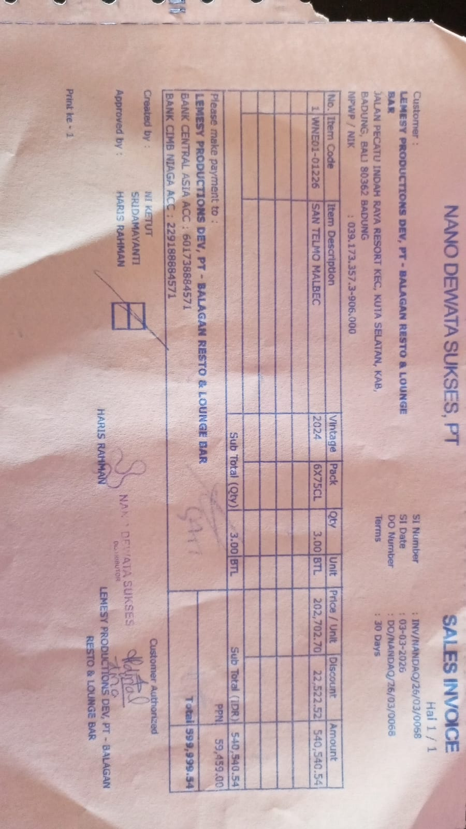 | Rp202,702.70 | 22,522.52 | 540,540.54
PPN |  |  |  |  |  |  | 59,459.46
TOTAL |  |  |  | IDR 600,000
23-Mar-2026 | INV/NANDAQ/26/03/0424 | SAN TELMO MALBEC | 3 | 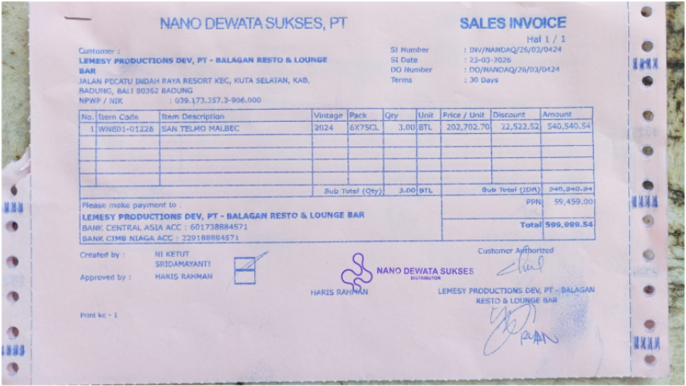 | Rp202,702.70 | 22,522.52 | 540,540.54
PPN |  |  |  |  |  |  | 59,459.46
TOTAL |  |  |  | Rp600,000
30-Mar-2026 | INV/NANDAQ/26/03/0603 | SAN TELMO MALBEC | 3 | 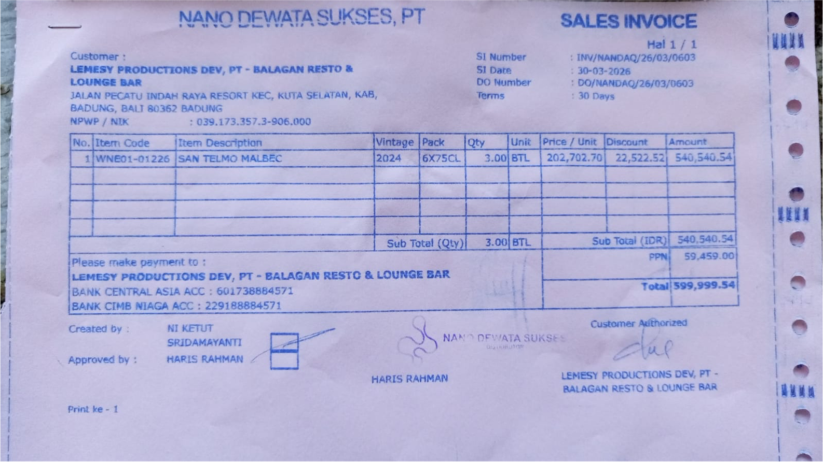 | Rp202,702.70 | 22,522.52 | 540,540.54
PPN |  |  |  |  |  |  | 59,459.46
TOTAL |  |  |  | Rp600,000

GRAND TOTAL |  |  |  | IDR 1,800,000

BALI PERMATA JAYA (Corona Beer)
DATE | INV NO. | DESCRIPTIONS | AMOUNT | BILLS | PRICE | TOTAL | STATUS | Rp1,190,000
5-Mar-2026 | INV/PERMAQ/26/03/0185 | CORONA BEER | 24 | 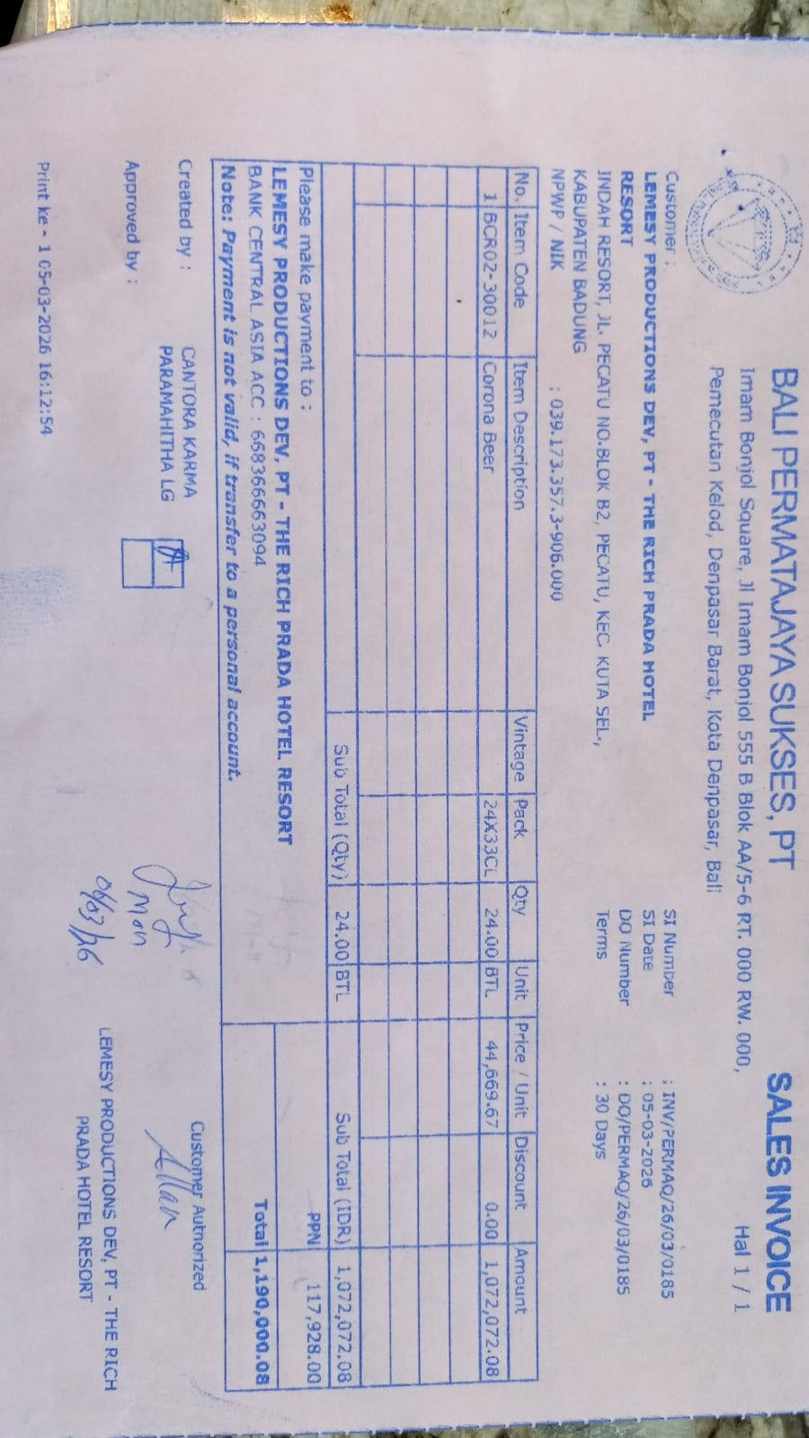 | Rp44,669.67 | Rp1,072,072.08
SUB TOTAL |  |  | 24 |  | PPN | Rp117,927.93
TOTAL |  |  |  | Rp1,190,000
 |  |  |  |  |  | Rp0.00
SUB TOTAL |  |  | 0 |  | PPN | Rp0.00
TOTAL |  |  |  | Rp-
 |  |  |  |  |  | Rp0.00
SUB TOTAL |  |  |  |  | PPN | Rp0.00
TOTAL |  |  |  | Rp-
 |  |  |  |  |  | Rp0.00
SUB TOTAL |  |  |  |  | PPN | Rp0.00
TOTAL |  |  |  | Rp-

SUB TOTAL |  |  |  |  | PPN | Rp0.00
TOTAL |  |  |  | Rp-
GRAND TOTAL |  |  |  | Rp1,190,000

BLACK COFFEE ROASTERS (Coffee)
DATE | INV NO. | DESCRIPTIONS | QTY | PRICE | BILLS | TOTAL | DUE DATE | STATUS | Rp5,600,000
2-Mar-2026 | BL2-10-2769 | CANGGU BLEND 1 KG | 20 | IDR 280,000 | 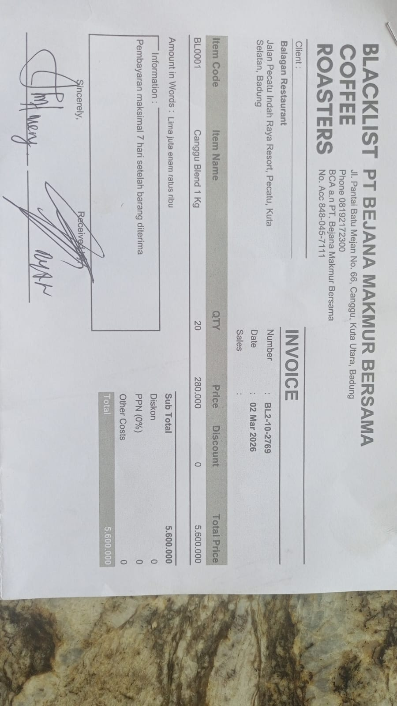 | IDR 5,600,000 | 9-Mar-2026 | PAID
30-Mar-2026 | BL2-10-2966 | CANGGU BLEND 1 KG | 20 | IDR 280,000 | 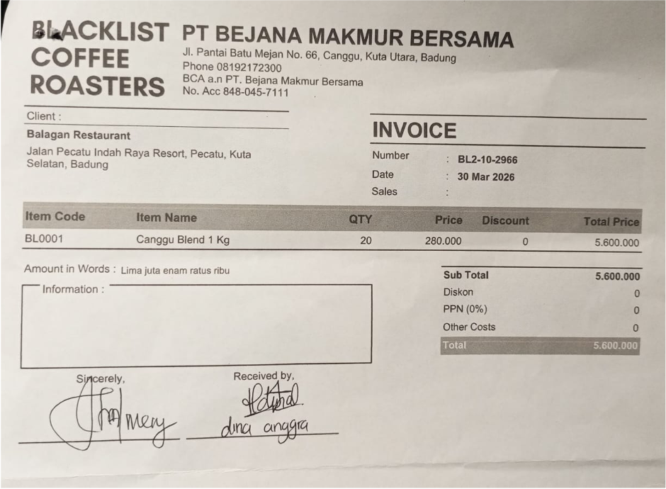 | IDR 5,600,000 | 6-Apr-2026 | UNPAID
Total |  |  |  |  | Rp5,600,000

PT. PRASIDA LANTUR MAJU (Wine)
DATE | INV NO. | DESCRIPTIONS | QTY | BILLS | PRICE | TOTAL | DUE DATE | Rp1,315,750
3-Mar-2026 | PLM-INV0690/2026 | ISOLA BIANCO 750 ML | 2 | 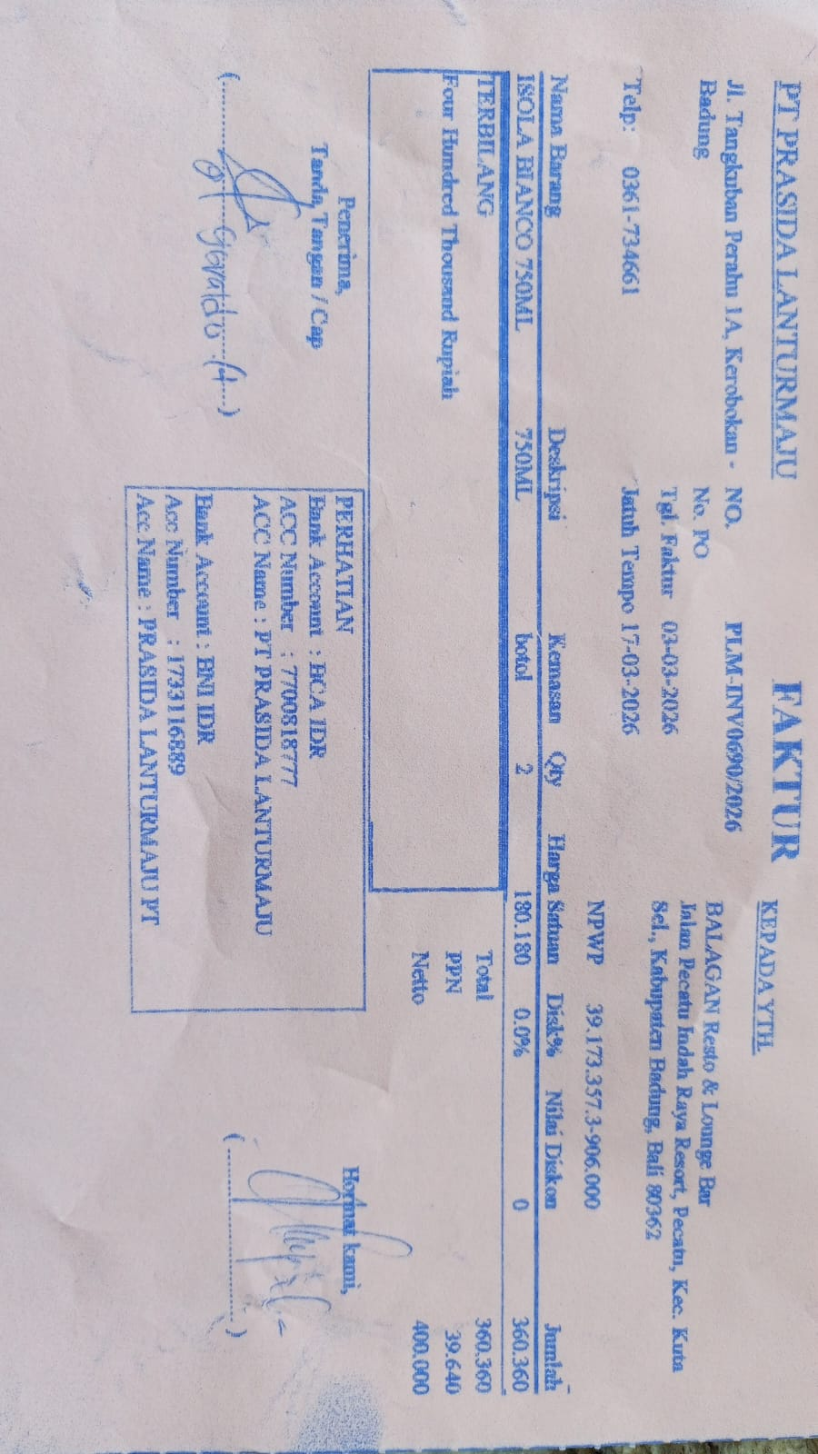 | IDR 180,180 | IDR 360,360 | 17-Mar-2026
SUBTOTAL |  |  | 2 |  | PPN | Rp39,640
TOTAL |  |  |  | Rp400,000
30-Mar-2026 | PLM-INV0977/2026 | ISOLA RISERVA SYRAH 750 | 3 | 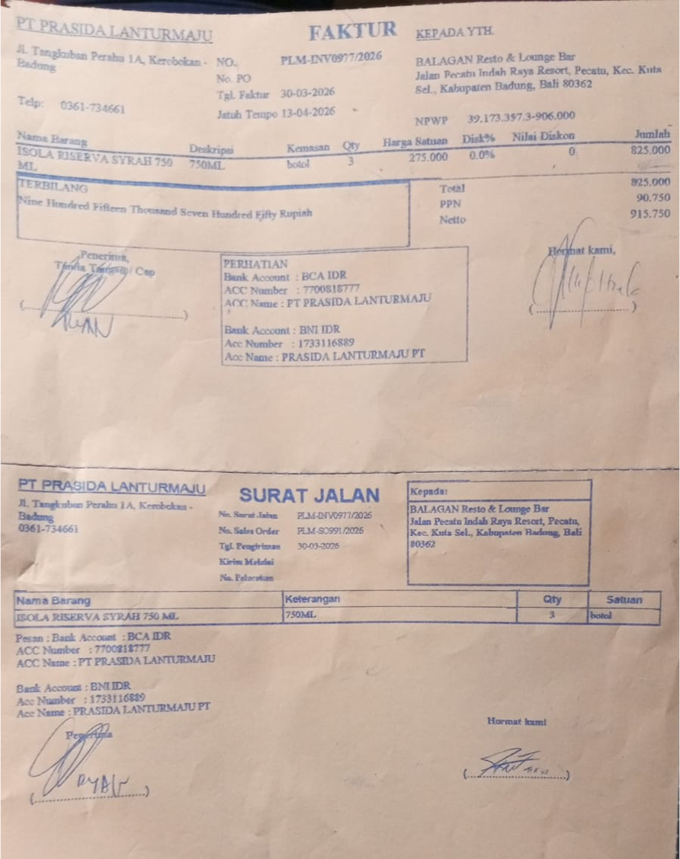 | IDR 275,000 | IDR 825,000 | 13-Apr-2026
SUBTOTAL |  |  | 3 |  | PPN | Rp90,750
TOTAL |  |  |  | Rp915,750
 |  |  |  |  |  | IDR -
SUBTOTAL |  |  | 0 |  | PPN | Rp-
TOTAL |  |  |  | Rp-
GRAND TOTAL |  |  |  | Rp1,315,750

CHAI CHITAI (Tea Leaf,etc)
DATE | INV NO. | DESCRIPTIONS | QTY | BILLS | PRICE | SUBTOTAL | TOTAL | DISCOUNT | TAX | TOTAL | IDR 1,687,000
3-Mar-2026 | #1 | MANGO OOLONG | 4 | 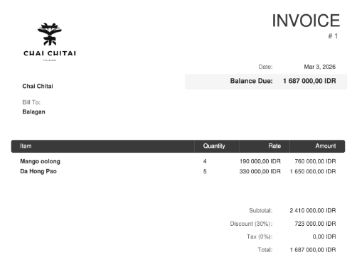 | Rp190,000.00 | Rp760,000.00 | Rp2,410,000.00 | Rp723,000.00 | Rp0.00 | Rp1,687,000.00
 |  | DA HONG PAO | 5 |  | Rp330,000.00 | Rp1,650,000.00

 |  |  |  |  | Rp760,000.00 | Rp0.00 | Rp0.00 | Rp0.00 | Rp0.00 | Rp0.00

GRAND TOTAL |  |  |  | IDR 1,687,000

Dewata Kencana Distribusi (Vdka
DATE | DESCRIPTIONS | QTY | BILLS | UNIT PRICE | TOTAL | STATUS | DUE DATE | Rp650,200
10-Mar-2026 | ICELAND VODKA BLACK TEA 700 ML 40.0% | 4 | 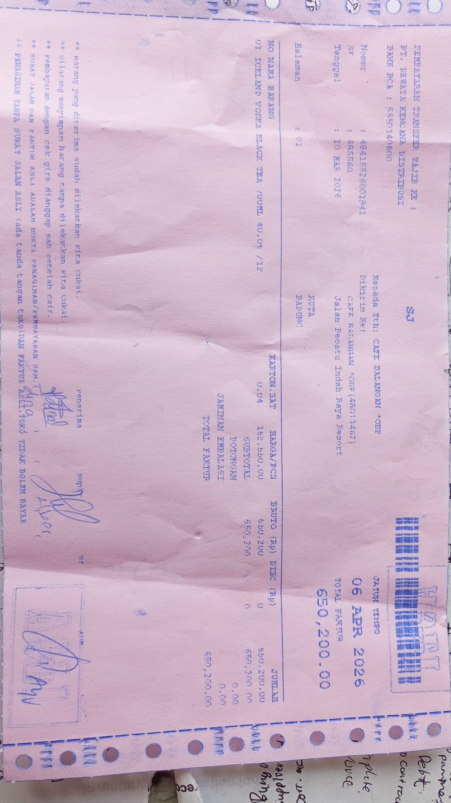 | IDR 162,550 | IDR 650,200 | UNPAID | 6-Apr-2026
TOTAL |  |  |  | Rp650,200

